Order Form
 |  |  |  | Frameworks Manufacturing |  |  | Phone: 713-692-5222
 |  |  |  | 1910 Cypress Station Dr. |  |  | www.frameworks.com |  |  | Frameworks Door Order Form
 |  |  |  | Suite #100 |  |  | email: orders@frameworks.com
 |  |  |  | Houston, TX 77090

Distributor Name |  |  |  |  |  |  |  | PO No. |  | Job Name: |  |  |  |  |  |  |  |  | Date:
Address: |  |  |  |  |  |  |  | Preparer:
City: |  |  | State: |  | Zip: |  |  | Distributor Phone: |  |  |  |  |  | Distributor e-mail:

Ship To Name |  |  |  |  |  |  |  | Jobsite Contact: |  |  |  |  |  |  |  |  | Required Ship Date:
Address: |  |  |  |  |  |  |  | Jobsite Phone:
City: |  |  | State: |  | Zip: |  |  |  |  |  |  |  |  |  |  |  |  | Hardware

Opening Number | Finish | Net Door Width |  | Net Door Height |  | Swing | Stiles |  | Top Rail | Bottom Rail | Muntin Bar | Glass Thickness | Mfr. HW Locations |  | Elevation # | Hinge |  | Lock/Latch | Misc | Misc

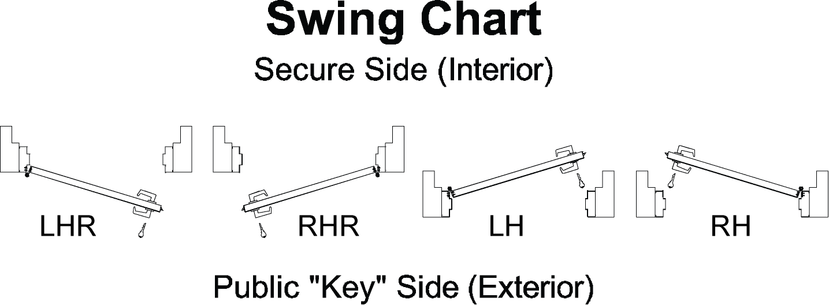
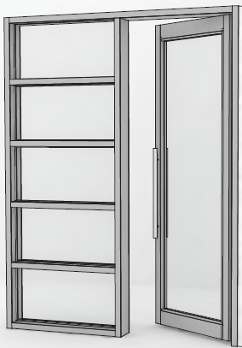

Notes:
1. All doors are 1-3/4" thick.
2. Net door sizes are actual dimensions of doors; undercuts are included in these dimensions.
3. Include manufacturer's templates for special hardware preps.
4. Glass stops are snapped onto the glass side of stiles/rails/muntin bars and are 1/2" tall.
5. If "Other" is chosen, please advise in miscellaneous column or on attached sheet "Notes."

