Order Form
 |  |  | Frameworks Manufacturing |  |  | Phone: 713-692-5222
 |  |  | 1910 Cypress Station Dr. |  |  | www.frameworks.com |  |  | Frameworks Type 2 Frame Order Form
 |  |  | Suite #100 |  |  | email: orders@frameworks.com
 |  |  | Houston, TX 77090

Distributor Name |  |  |  |  |  |  |  | PO No. |  |  | Job Name: |  |  |  |  |  |  |  | Date:
Address: |  |  |  |  |  |  |  | Preparer:
City: |  |  | State: |  | Zip: |  |  | Distributor Phone: |  |  |  |  |  | Distributor e-mail:

Ship To Name |  |  |  |  |  |  |  | Jobsite Contact: |  |  |  |  |  |  |  |  | Required Ship Date:
Address: |  |  |  |  |  |  |  | Jobsite Phone:
City: |  |  | State: |  | Zip: |  |  |  |  |  |  |  |  |  |  |  |  | Hardware

Opening Number | Finish | Silencer | Open'g Width | Open'g Height | Swing | Face Profile | Corner Condition | Throat | Series | Scribe | Fire Rating | STC Rating | Sidelight | Transom | Mfr. HW Locations | Elevation # | Strike | Hinge | Closer | Misc | Misc

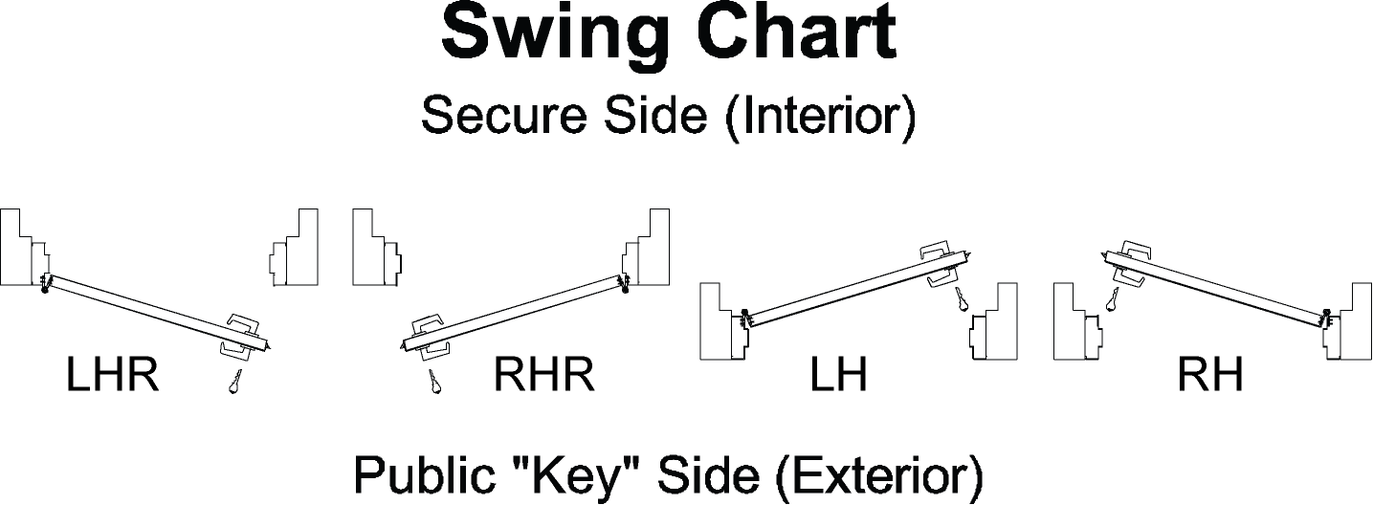
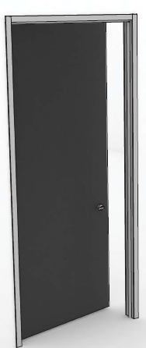
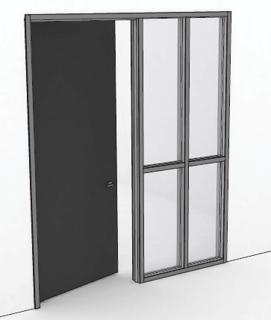
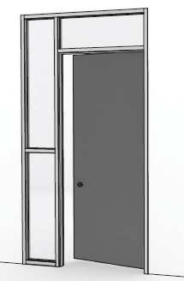

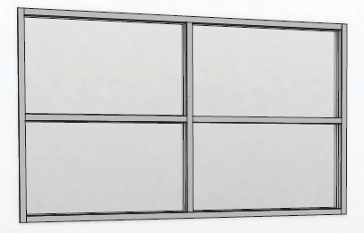

Notes:
1. Flush trim (1-1/2" & 2") require extended lip strike plates (1-3/8" lip to center minimum.) Reveal trim does not.
2. All frames have 1/4" returns.
3. Opening width and opening height columns = frame opening dimensions (Jamb to Jamb)
4. Throat = Partition Thickness
5. Standard scribe is 2" on verticals; excess at bottom of jamb for field trimming.
6. If "Other" is chosen, please advise in miscellaneous column or on attached sheet "Notes."
7. Templates required for special hardware preps.

 |  |  |  |  |  |  |  |  | 3.75 | 375

